Metadata
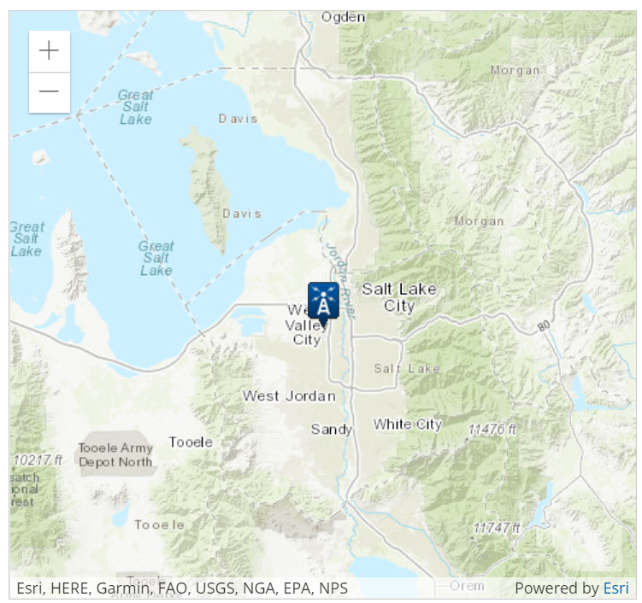
Station Name | SALT LAKE CITY INTERNATIONAL AIRPORT, UT US
Network | GHCND
Station ID | USW00024127
Website | https://www.ncdc.noaa.gov/cdo-web/
Latitude | 40.77069
Longitude | -111.96503
Elevation | 1288.4 | m
Start Date | 1941-11-01
End Date | 2022-04-06

AWND | Average daily wind speed (miles per hour)
PRCP | Precipitation (inches)
TMAX | Maximum temperature (Fahrenheit)
TMIN | Minimum temperature (Fahrenheit)
TSUN | Daily total sunshine (minutes)

