Example 1
Spreadsheet |  |  |  |  |  | GoldSim calculation |  |  |  |  |  | GoldSim Reporting |  |  |  |  |  | GoldSim Reporting
Etime | Daily Inflow | Daily Outflow | Volume | Daily Overflow | Capacity | Etime | Inflow | Outflow | Volume | Overflow Rate | Capacity | Etime | Inflow | Outflow | Volume | Overflow Rate | Capacity | Etime | Inflow | Outflow | Volume | Overflow Rate | Capacity
d | m3 | m3 | m3 | m3 | m3 | d | m3/d | m3/d | m3 | m3/d | m3 | d | m3/d | m3/d | m3 | m3/d | m3 | d | m3/d | m3/d | m3 | m3/d | m3
0 | 4 | 0 | 0 | 0 | 10 | 0 | 4 | 0 | 0 | 0 | 10 | 0 | 4 | 0 | 0 | 0 | 10 | 0 | 4 | 0 | 0 | 0 | 10
1 | 4 | 0 | 4 | 0 | 10 | 1 | 4 | 0 | 4 | 0 | 10 | 1 | 4 | 0 | 4 | 0 | 10 | 1 | 4 | 0 | 4 | 0 | 10
2 | 4 | 0 | 8 | 2 | 10 | 2 | 4 | 0 | 8 | 0 | 10 | 2 | 4 | 0 | 8 | 0 | 10 | 2 | 4 | 0 | 8 | 2 | 10
3 | 4 | 0 | 10 | 4 | 10 | 2.5 | 4 | 0 | 10 | 4 | 10 | 3 | 4 | 0 | 10 | 4 | 10 | 3 | 4 | 0 | 10 | 4 | 10
4 | 4 | 0 | 10 | 4 | 10 | 3 | 4 | 0 | 10 | 4 | 10 | 4 | 4 | 0 | 10 | 4 | 10 | 4 | 4 | 0 | 10 | 4 | 10
5 | 4 | 0 | 10 | 4 | 10 | 4 | 4 | 0 | 10 | 4 | 10 | 5 | 4 | 0 | 10 | 4 | 10 | 5 | 4 | 0 | 10 | 4 | 10
 |  |  | 10 |  |  | 5 | 4 | 0 | 10 | 4 | 10 |  |  |  | 10 |  |  |  |  |  | 10

Reported by Spreadsheet
GoldSim with Unscheduled Time Steps Reporting On Scheduled Time Steps

GoldSim with Unscheduled Time Steps and High Resolution Output Enabled
 | Overflow Rate | Volume | Capacity
0 | 0 | 0 | 10
1 | 0 | 4 | 10
2 | 0 | 8 | 10
3 | 4 | 10 | 10
3 | 4 | 10 | 10
4 | 4 | 10 | 10
5 | 4 | 10 | 10
GoldSim without Unscheduled Time Steps

Example 2
Etime | Daily Inflow | Daily Outflow | Volume | Daily Overflow | Capacity
d | m3 | m3 | m3 | m3 | m3
0 | 3 | 2 | 0 | 0 | 12
1 | 7 | 2 | 1 | 0 | 12
2 | 30 | 2 | 6 | 22 | 12
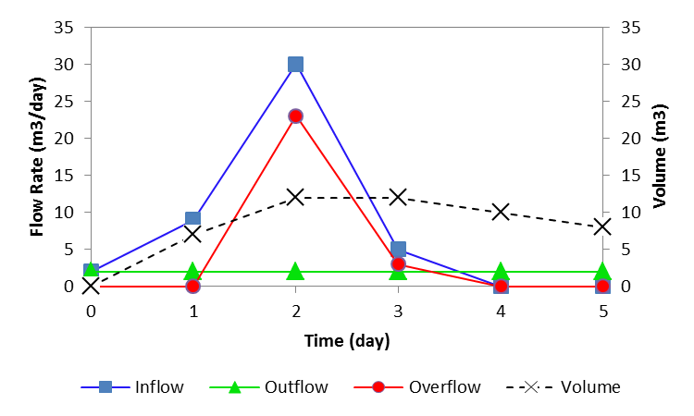
3 | 5 | 2 | 12 | 3 | 12
4 | 0 | 2 | 12 | 0 | 12
5 | 0 | 2 | 10 | 0 | 12
 | 45 |  |  | 25

